MIPS PI Overview
 
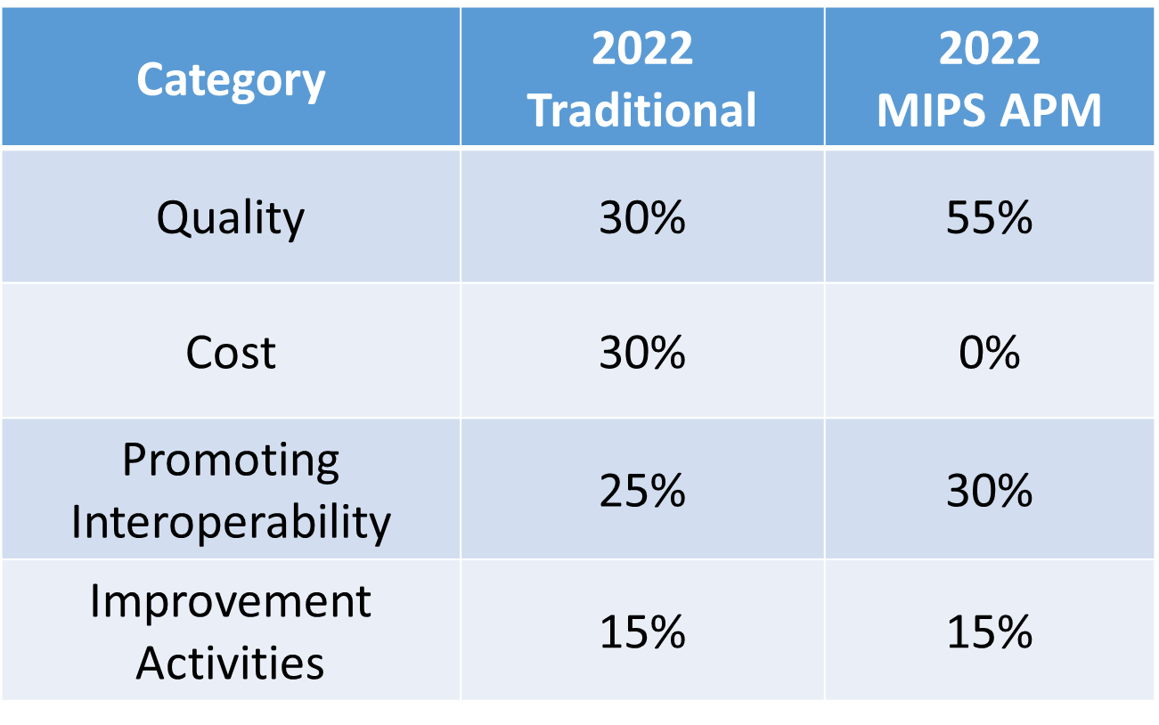
 | CATEGORY WEIGHTING
 | Percentage of Total MIPS Score

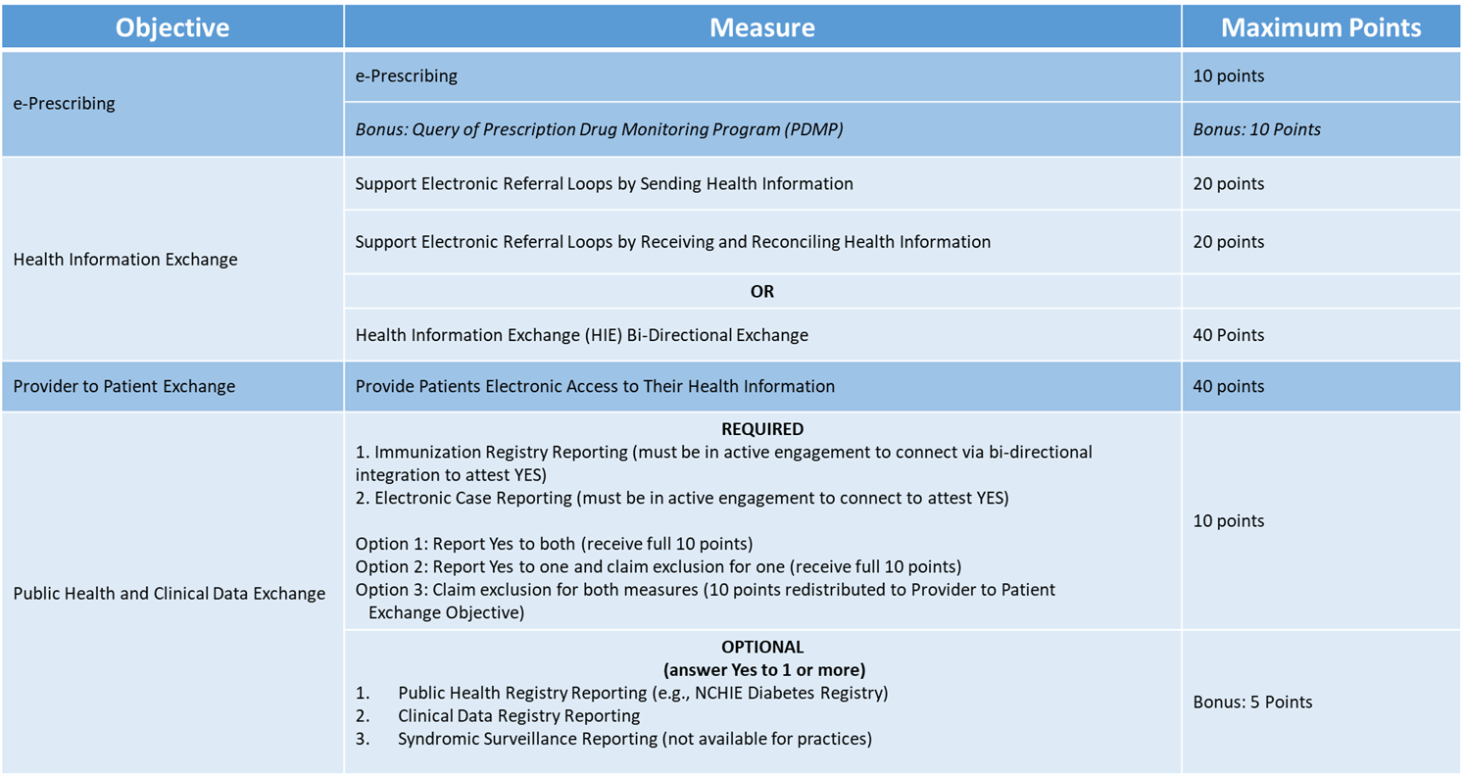

© 2022 Mountain Area Health Education Center

