MIPS PI Overview
 |  |  | Promoting Interoperability Scoring
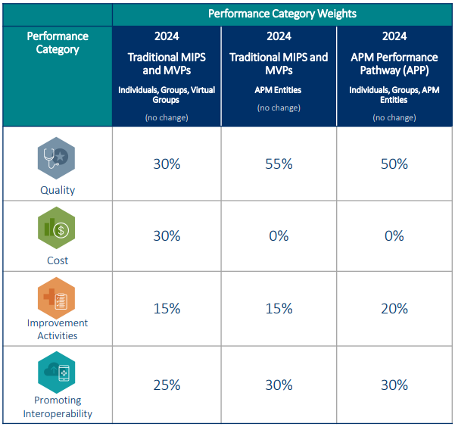
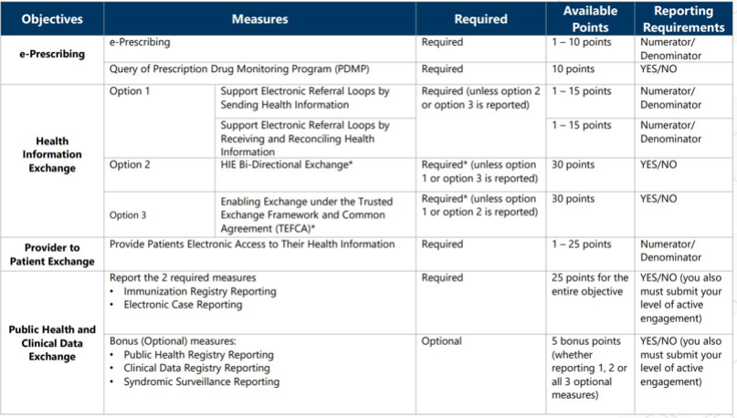

*** This tool should be used for estimation purposes only using the data provided by the practice's EHR PI report and attestations provided by practice management.
The score produced by this tool may or may not match the final score calculated by QPP. The practice is fully responsible for the accuracy of the inputs and calculations.***

Sources: | 2024 Promoting Interoperability Quick Start Guide | https://qpp-cm-prod-content.s3.amazonaws.com/uploads/2688/2024PromotingInteropGuide.pdf
 | 2024 MIPS PI Measure Specifications | https://qpp-cm-prod-content.s3.amazonaws.com/uploads/2650/2024MIPSPISpecifications.zip
 | 2024 Quality Payment Program Final Rule Webinar | https://qpp-cm-prod-content.s3.amazonaws.com/uploads/2606/2024%20QPP%20Final%20Rule_Public%20Webinar.pdf
 | Quality Payment Program Website | Quality Payment Program (QPP) (cms.gov)

© 2024 Mountain Area Health Education Center

