Room Block Request
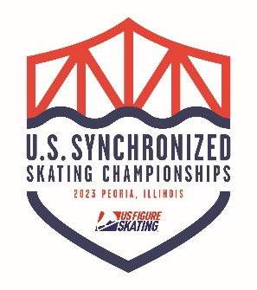 2023 U.S. Synchronized Skating Championships March 1-4,2023 Team Room Block Request
Name of Team:
Team Level:
Contact Name:
Contact Email:
Contact Phone Number:
 | Number of Rooms Requested Per Night by Room Type
 | Sun. | Mon. | Tues. | Wed. | Thurs. | Fri. | Sat. | Sun.
Room Type | Feb 26th | Feb 27th | Feb 28th | Mar 1st | Mar 2nd | Mar 3rd | Mar 4th | Mar 5th
Rooms with 2 Beds
Rooms with 1 Bed & 1 Sofa Bed
Rooms with 1 Bed

Total Rooms Requested per Night | 0 | 0 | 0 | 0 | 0 | 0 | 0 | 0

Rooming List Template
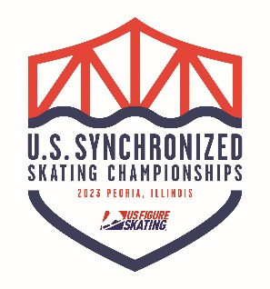 2023 U.S. Synchronized Skating Championships March 1-4,2023 Team Rooming List Template
Name of Team:
Team Level:
Contact Name:
Contact Email:
Contact Phone Number:

First Name | Last Name | Room Type | Arrival Date | Departure Date | Room Nights | Rate | Special Requests (NOT Guaranteed) | Roomsharer Names
Example | Reservation | Double | 2022-03-02 | 2022-03-06 | 4
 |  |  |  |  | 0
 |  |  |  |  | 0
 |  |  |  |  | 0
 |  |  |  |  | 0
 |  |  |  |  | 0
 |  |  |  |  | 0
 |  |  |  |  | 0
 |  |  |  |  | 0
 |  |  |  |  | 0
 |  |  |  |  | 0
 |  |  |  |  | 0
 |  |  |  |  | 0
 |  |  |  |  | 0
 |  |  |  |  | 0
 |  |  |  |  | 0
 |  |  |  |  | 0
 |  |  |  |  | 0
 |  |  |  | Total Room Nights | 0

