MIPS PI Overview
2023 MIPS Promoting Interoperability Overview

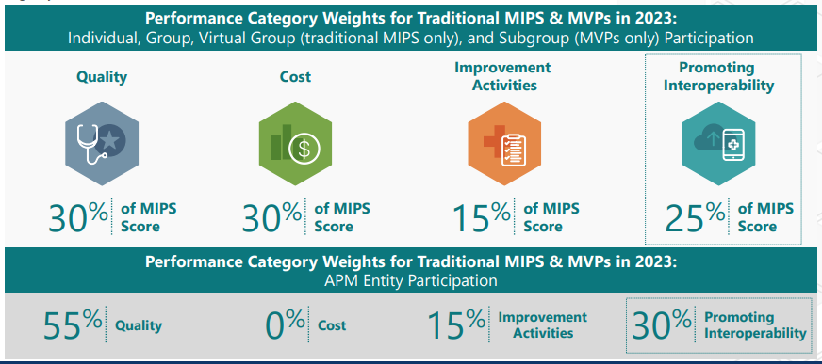
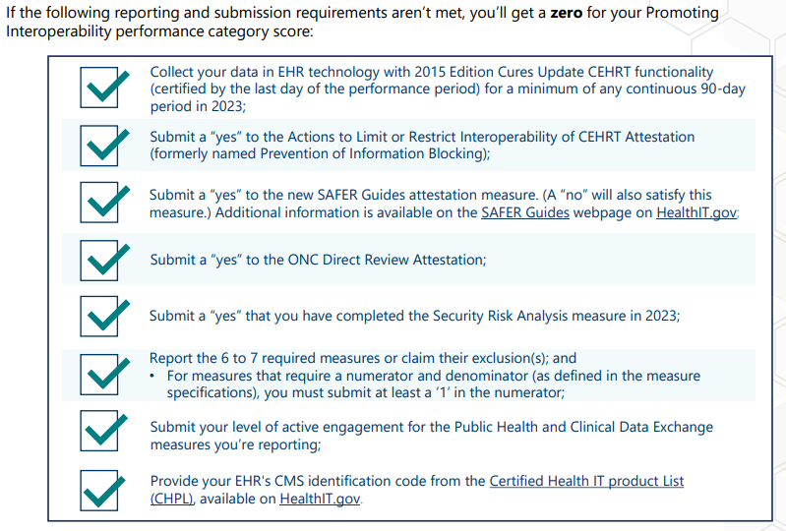

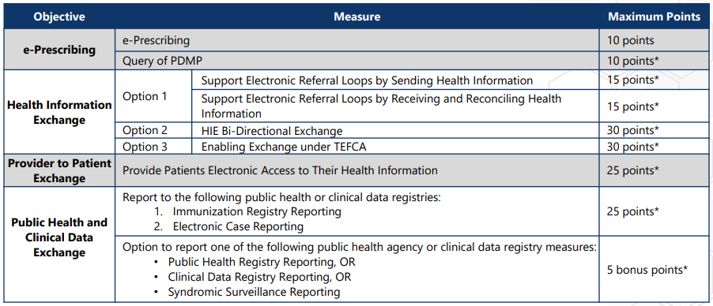

 | *Changes from 2022 are noted with an asterisk



© 2022 Mountain Area Health Education Center

